data
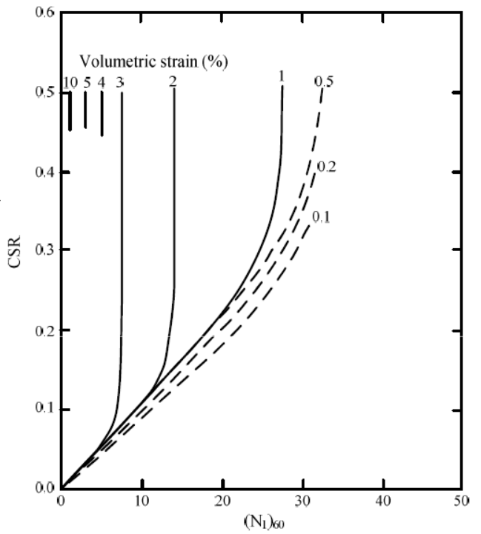
vs10 |  | vs5 |  | vs4 |  | vs3 |  | vs2 |  | vs1 |  | vs05 |  | vs02 |  | vs01
X | Y | X | Y | X | Y | X | Y | X | Y | X | Y | X | Y | X | Y | X | Y
1.15304 | 0.6 | 3.00384 | 0.6 | 5.11012 | 0.6 | 7.68446 | 0.6 | 14.1203 | 0.6 | 27.5771 | 0.6 | 33.0183 | 0.6 | 35.4 | 0.6 | 36.7 | 0.6
1.10234 | 0.0413661 | 2.97459 | 0.0591482 | 5.11012 | 0.111606 | 7.53819 | 0.234896 | 14.091 | 0.248529 | 27.5771 | 0.541935 | 33.0183 | 0.570979 | 35.3 | 0.574535 | 36.5 | 0.571572
1.10234 | 0.0348459 | 2.94533 | 0.0523317 | 5.05161 | 0.103604 | 7.53819 | 0.212964 | 13.974 | 0.231043 | 27.6063 | 0.507852 | 32.9598 | 0.554086 | 35.1 | 0.555864 | 36.2 | 0.544602
1.04383 | 0.0253621 | 2.82832 | 0.0431443 | 5.02236 | 0.0947126 | 7.50893 | 0.191033 | 13.7985 | 0.216521 | 27.5478 | 0.485625 | 32.9013 | 0.536007 | 34.9 | 0.539267 | 35.8 | 0.520596
0.956072 | 0.0161746 | 2.56503 | 0.0348459 | 4.87609 | 0.0849324 | 7.39192 | 0.165249 | 13.6815 | 0.201702 | 27.5186 | 0.465471 | 32.6965 | 0.516743 | 34.6 | 0.515558 | 35.4 | 0.490366
0.722041 | 0.0093581 | 2.12623 | 0.0253621 | 4.72982 | 0.0754486 | 7.33341 | 0.142428 | 13.3597 | 0.184513 | 27.5186 | 0.445022 | 32.5502 | 0.500147 | 34.3 | 0.497183 | 35 | 0.466657
0 | 0 | 1.21936 | 0.0126182 | 4.52504 | 0.0656684 | 7.24565 | 0.125831 | 13.2134 | 0.173843 | 27.4893 | 0.424869 | 32.3747 | 0.482068 | 34 | 0.477919 | 34.6 | 0.446207
 |  | 0 | 0 | 4.20325 | 0.0579628 | 7.07012 | 0.111013 | 13.0087 | 0.16347 | 27.3723 | 0.41005 | 32.0529 | 0.464582 | 33.4544 | 0.455691 | 34.2 | 0.424869
 |  |  |  | 3.82295 | 0.0499608 | 6.8946 | 0.09738 | 12.7161 | 0.152208 | 27.1675 | 0.392268 | 31.6726 | 0.445022 | 33 | 0.434353 | 33.5 | 0.404419
 |  |  |  | 3.32563 | 0.0407733 | 6.66057 | 0.0887852 | 12.131 | 0.139168 | 26.9335 | 0.376264 | 31.3216 | 0.425461 | 32.6087 | 0.415385 | 32.7 | 0.379228
 |  |  |  | 2.53578 | 0.0286221 | 6.45579 | 0.0804869 | 11.546 | 0.12761 | 26.5532 | 0.357889 | 30.9998 | 0.410939 | 31.8774 | 0.397306 | 32 | 0.358482
 |  |  |  | 1.5704 | 0.0161746 | 6.07549 | 0.0730776 | 10.8439 | 0.116644 | 26.2021 | 0.339514 | 30.5025 | 0.394935 | 30.8242 | 0.369151 | 30.9998 | 0.331809
 |  |  |  | 0 | 0 | 5.66594 | 0.0665575 | 0 | 0 | 25.7048 | 0.324399 | 29.9466 | 0.376264 | 30.0051 | 0.348998 | 29.5956 | 0.305432
 |  |  |  |  |  | 5.28564 | 0.0606301 |  |  | 25.1783 | 0.311655 | 29.3908 | 0.356704 | 29.069 | 0.327067 | 28.0159 | 0.278758
 |  |  |  |  |  | 4.75907 | 0.0523317 |  |  | 24.6224 | 0.298022 | 28.3962 | 0.335958 | 28.1329 | 0.308099 | 26.9335 | 0.262162
 |  |  |  |  |  | 4.08623 | 0.043737 |  |  | 23.9496 | 0.282908 | 27.1383 | 0.313137 | 27.1383 | 0.291799 | 25.266 | 0.238156
 |  |  |  |  |  | 0 | 0 |  |  | 23.2182 | 0.269571 | 25.5586 | 0.287057 | 25.8218 | 0.271349 | 23.2768 | 0.214446
 |  |  |  |  |  |  |  |  |  | 22.4576 | 0.256531 | 23.7156 | 0.261865 | 24.3884 | 0.252974 | 21.2875 | 0.192515
 |  |  |  |  |  |  |  |  |  | 21.7556 | 0.244676 | 21.8141 | 0.238452 | 23.2768 | 0.237859 | 19.0642 | 0.170583
 |  |  |  |  |  |  |  |  |  | 20.8779 | 0.232525 | 19.7078 | 0.212964 | 21.8726 | 0.220373 | 16.8117 | 0.149541
 |  |  |  |  |  |  |  |  |  | 19.9126 | 0.218892 | 0 | 0 | 19.9711 | 0.200517 | 14.5006 | 0.129684
 |  |  |  |  |  |  |  |  |  | 0 | 0 |  |  | 18.5961 | 0.186291 | 12.2481 | 0.108938
 |  |  |  |  |  |  |  |  |  |  |  |  |  | 17.1627 | 0.170583 | 10.0248 | 0.0881925
 |  |  |  |  |  |  |  |  |  |  |  |  |  | 15.583 | 0.154876 | 7.77222 | 0.0671502
 |  |  |  |  |  |  |  |  |  |  |  |  |  | 14.3543 | 0.14065 | 5.63669 | 0.0472934
 |  |  |  |  |  |  |  |  |  |  |  |  |  | 12.8331 | 0.124942 | 4.70056 | 0.038106
 |  |  |  |  |  |  |  |  |  |  |  |  |  | 10.7269 | 0.103307 | 3.23787 | 0.0259548
 |  |  |  |  |  |  |  |  |  |  |  |  |  | 8.59132 | 0.081376 | 2.38951 | 0.0194347
 |  |  |  |  |  |  |  |  |  |  |  |  |  | 6.39729 | 0.0612228 | 0.926818 | 0.00669077
 |  |  |  |  |  |  |  |  |  |  |  |  |  | 4.17399 | 0.0389951 | 0 | 0
 |  |  |  |  |  |  |  |  |  |  |  |  |  | 2.15548 | 0.0188419
 |  |  |  |  |  |  |  |  |  |  |  |  |  | 0 | 0

